Sheet1

 |  | SCOTnet
 |  | Scottish Collaborative Orthopaedic Trainee Research Network

 |  | Provision of revision total knee arthroplasty across Scotland: a national audit

 |  | http://www.scotorth.com/scotnet/

Unit Details |  |  |  |  | Revision Knee Complexity Classification (RKCC)

Region | Hospital Code | Hospital
North | RH | Raigmore Hospital
East | WE | Woodend Hospital |  |  | https://www.thekneejournal.com/action/showPdf?pii=S0968-0160%2820%2930264-7
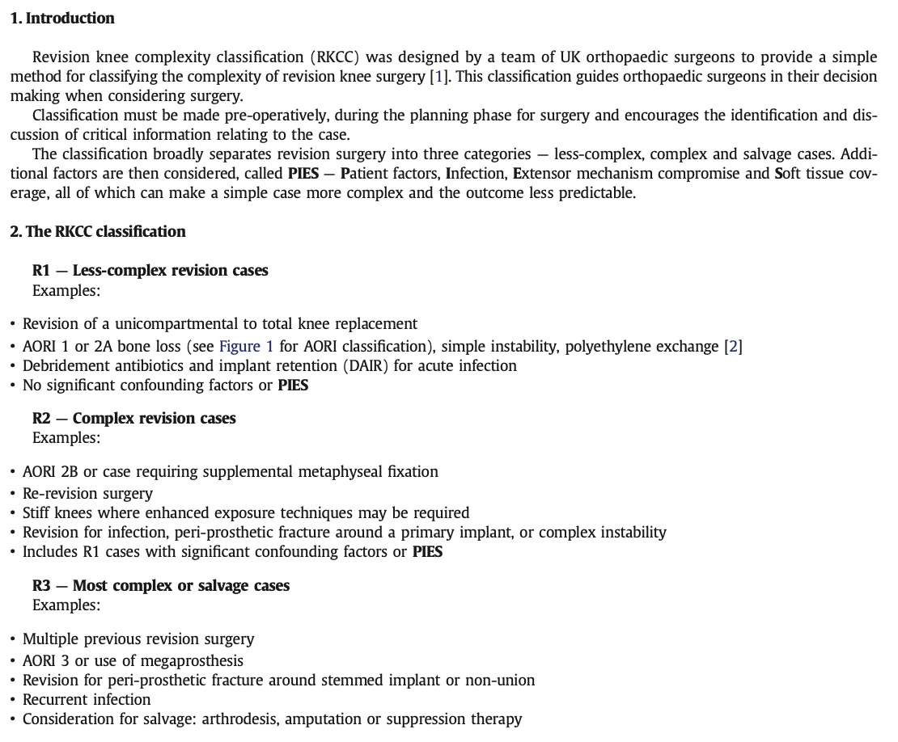
South East | FVH | Forth Valley
West | NH | Ninewells |  |  | Anderson Orthopaedic Research Institute (AORI) Classification of Bone Defects
 | PRI | Perth Royal Infirmary |  |  |  | F = Femur | T = Tibia
 | RIE | Royal Infirmary of Edinburgh |  |  |  | 1 = Minor defects with intact metaphyseal bone
 | VHK | Victoria Hospital Kirkcaldy |  |  |  | 2 = Damaged metaphyseal bone, requiring reconstruction to provide stability
 | QMH | Queen Margaret Hospital |  |  |  | 2a = | Defect in one condyle
 | BGH | Borders General Hospital |  |  |  | 2b = | Defects in both condyles
 | GJNH | Golden Jubilee National Hospital |  |  |  | 3 = Deficient metaphyseal segment compromising a major portion of condyles/plateau
 | QEUH | Queen Elizabeth University Hospital
 | GRI | Glasgow Royal Infirmary |  |  | McPherson Systemic Host Grade
 | IRH | Inverclyde Royal Hospital |  |  |  | A = Uncompromised
 | RAH | Royal Alexandra Hospital |  |  |  | B = Compromised (1-2 factors)
 | UHW | University Hospital Wishaw |  |  |  | C = Significant compromise (>2 factors, or any one major factor)
 | UHH | University Hospital Hairmyres
 | UHC | University Hospital Crosshouse |  |  |  | Compromising factors |  |  |  |  | Major compromising factors
 | UHA | University Hospital Ayr |  |  |  | Age >80 years |  | Renal failure requiring dialysis |  |  | Absolute neutrophil count <1000
 |  |  |  |  |  | Immunosuppressive drugs |  | Chronic malnutrition |  |  | CD4 T Cell Count <100
 |  |  |  |  |  | Alcoholism |  | Systemic inflammatory disease |  |  | Chronic infection at another site
 |  |  |  |  |  | Malignancy |  | Current nicotine use |  |  | Neoplasm of immune system
 |  |  |  |  |  | Chronic dermatitis/cellulitis |  | Systemic immune compromise
Local Audit Team Details |  |  |  |  |  | Pulmonary insufficiency |  | Hepatic insufficiency
Name | Designation | Study Role | Email |  |  | Chronic indwelling catheter

 |  |  |  |  | Periprosthetic Joint Infection
 |  |  |  |  | Periprothetic Joint Infection according to the Musculoskeletal Infection Society (MSIS) definition
 |  |  |  |  | https://www.arthroplastyjournal.org/article/S0883-5403(14)00166-1/fulltext

 |  |  |  |  | Extensor Mechanism Compromise
 |  |  |  |  | Pre-revision damage or rupture; severe patella baja

 |  |  |  |  | Soft Tissue Coverage
 |  |  |  |  | Poor pre-revision soft tissues; requirement for intra-operative soft tissue reconstruction

Unit Details |  | Case Details |  |  |  |  |  |  |  | Case Complexity

Region | Hospital | Patient Study ID | 1st Cons Surgeon ID | 2nd Cons Surgeon ID | Age | Sex | ASA (1-5; 0 = unknown) | Surgery Month | Surgery Year | FEMUR AORI Bone Defect Grade | TIBIA AORI Bone Defect Grade | COMORBIDITIES McPherson Systemic Host Grade | INFECTION (PJI) | EXTENSOR MECHANISM COMPROMISE | SOFT TISSUE Reconstruction Required | OVERALL RKCC Score | Comments

 | This box contains information necessary for the effective function of the data collection tool.If you think an amendment Is required, please contact Andrew.Hall@ed.ac.uk
 | Region | Hospital Code |  |  |  | Sex |  | Surgery Month |  | FEMUR - AORI Bone Defect Grade | TIBIA - AORI Bone Defect Grade | COMORBIDITIES - McPherson Systom Grade | INFECTION | EXTENSOR Mechanism Compromise | SOFT TISSUE Cover Required | OVERALL RKCC
 | North | RH | Raigmore Hospital |  |  | 0 Female |  | Jan |  | F1 | T1 | A | No | No | No | R1
 | East | WE | Woodend Hospital |  |  | 1 Male |  | Feb |  | F2a | T2a | B | Yes | Yes | Yes | R2
 | South East | FVH | Forth Valley |  |  | 9 Other |  | Mar |  | F2b | T2b | C | Other | Other | Other | R3
 | West | NH | Ninewells |  |  |  |  | Apr |  | F3 | T3 | Other |  |  |  | Other
 |  | PRI | Perth Royal Infirmary |  |  |  |  | May |  | Other | Other
 |  | RIE | Royal Infirmary f Edinburgh |  |  |  |  | Jun
 |  | VHK | Victoria Hospital Kirkcaldy |  |  |  |  | Jul
 |  | QMH | Queen Margaret Hospital |  |  |  |  | Aug
 |  | BGH | Borders General Hospital |  |  |  |  | Sep
 |  | GJNH | Golden Jubilee National Hospital |  |  |  |  | Oct
 |  | QEUH | Queen Elizabeth General Hospital |  |  |  |  | Nov
 |  | GRI | Glasgow Royal Infirmary |  |  |  |  | Dec
 |  | IRH | Inverclyde Royal Hospital
 |  | RAH | Royal Alexandra Hospital
 |  | UHW | University Hosptal Wishaw
 |  | UHH | University Hospital Hairmyres
 |  | UHC | University Hospital Crosshouse
 |  | UHA | University Hospital Ayr

